BarChart_Gender_CustomerName
Hitung dari Gender
Gender | Hitung dari Gender
Female | 6
Male | 10

Chart_Customer_name
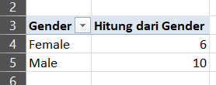
Customer ID | Customer Name | Gender
CUST-001 | Liam Bennett | Male
CUST-002 | Sophia Walker | Female
CUST-003 | Oliver Harris | Female
CUST-004 | Isla Thompson | Male
CUST-005 | Noah Martinez | Male
CUST-006 | Ava Robinson | Female
CUST-007 | Jack Clark | Male
CUST-008 | Mia Lewis | Female
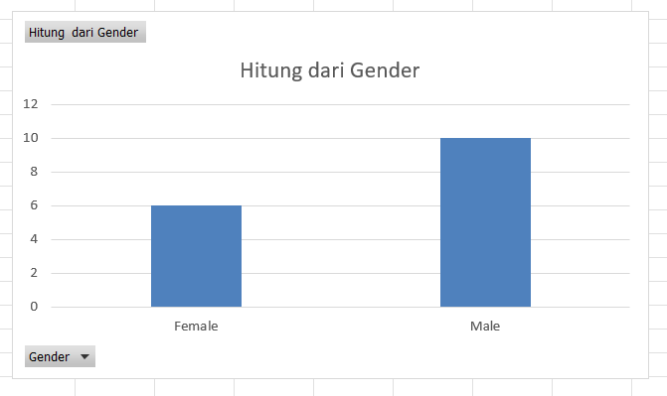
CUST-009 | William Hall | Male
CUST-010 | Charlotte Young | Female
CUST-011 | James Allen | Male
CUST-012 | Amelia King | Female
CUST-013 | Henry Wright | Male
CUST-014 | Harper Scott | Male
CUST-015 | Sebastian Green | Male
CUST-016 | Alex Gorge | Male

